Data Flow
Data Flow

 | Original CSV Files
2015.CSV
158 Rows x 12 Columns
2016.CSV
157 Rows x 13 Columns
2017.CSV
155 Rows x 12 Columns
2018.CSV
156 Rows x 9 Columns
2019.CSV
156 Rows x 9 Columns
GDP Indicators 2015 to 2019.CSV
1050 Rows x 5 Columns

Final Dimensions
WHR_GDP_2015to2019.CSV
782 Rows x 14 Columns
Columns Dropped: 1 '_merge'
Aggregated Columns: 0
Rows Dropped: 3
 | Concatenated Files
WHR_ALL.CSV
782 Rows x 11 Columns
WHR_GDP_
2015to2019.CSV
785 Rows x 15 Columns

Visuals
Visuals

 | Linked Question | Visual
 | 1.How strongly is a country's GDP correlated with its happiness score? | 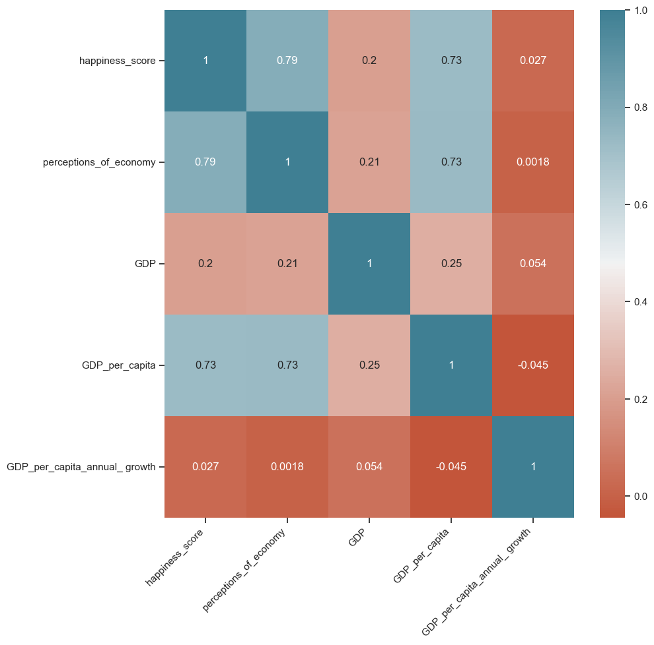 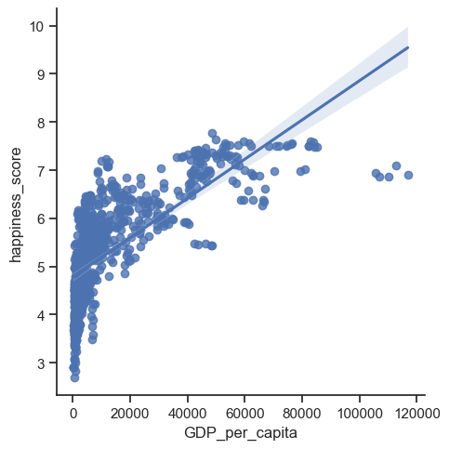
 | 2. Are the wealthiest countries by year ranked the happiest by the WHR? | 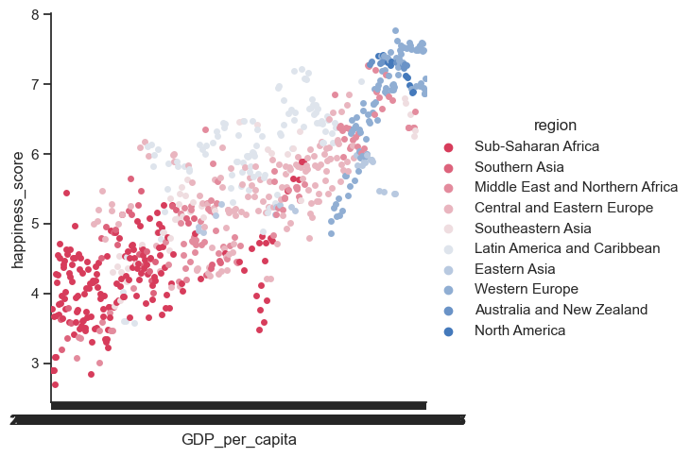 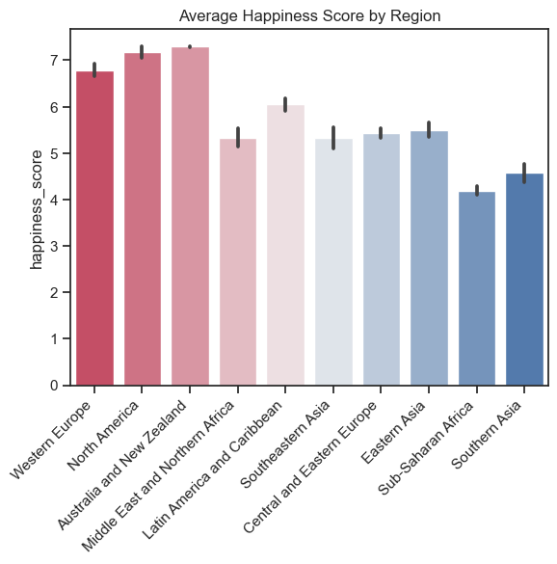 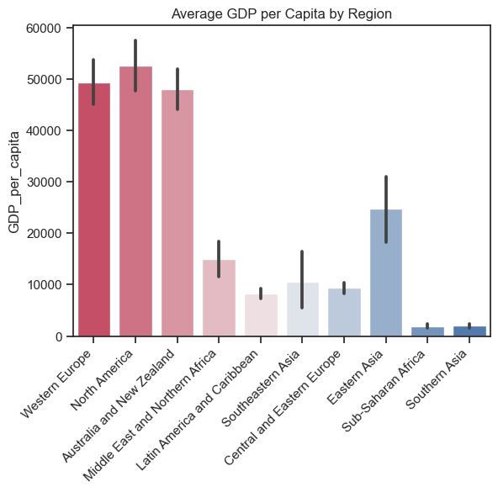
 | 3. Do any indicators of happiness correlate with the growth or decline of a countries overall GDP?
 | 4. Are there certain regions of the world that are happier and/or wealthier based on these reports? How does regional economic development relate to regional happiness levels?
 | 5. As a county’s GDP increased or decreases do any specific indicators of happiness show correlated changes?
 | 6. Can a country’s GDP predict a certain percentage of a happiness indicator will be achieved when it is at or above a specific threshold (E.G. the top 5% of the worlds GDP contributors)? Are there any strong correlations found in the data?
 | 7. Are there any outliers where a country's happiness is disproportionately high or low given its GDP?
 | 8. How have the relationships between GDP and happiness changed over time?

